WhatsApp Process
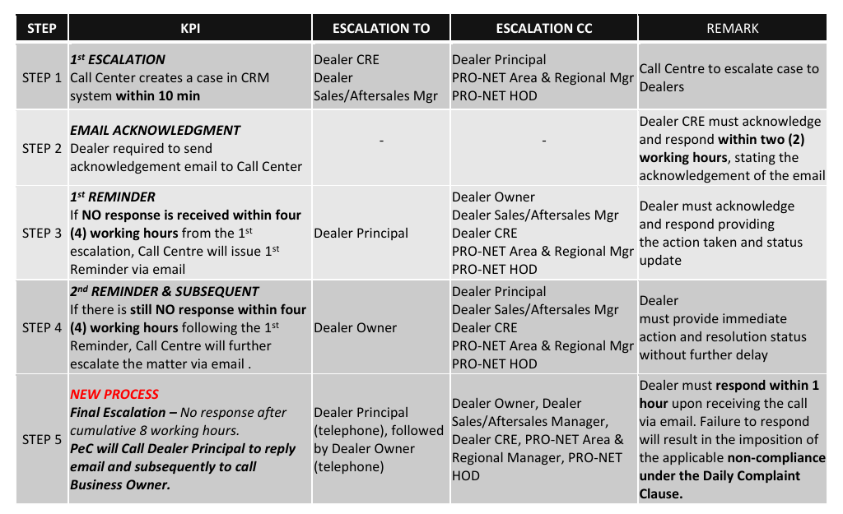
START
WHATSAPP FLOW
DETAILS | PROCESS
Customer send Whatsapp

Customer recived 'Disclaimer'
AI will triggered DISCLAIMER: Our customer support chatbot uses artificial intelligence (AI) to assist you. Responses are generated automatically based on your input. We do not guarantee the accuracy, completeness or timeliness of the information provided. You are encouraged to verify the content independently. For specific concerns or complex issues, please contact our live agent for further assistance.

Within Office Hours
The bot must be able to respond in the same language used by the customer.
YES
NO

Auto Reply send to customer
If Outside the Business Hours
Auto-reply message sent - Thank you for reaching out. Our customer service team is currently unavailable as it's outside of our operating hours Mon–Fri: 8:30 AM – 5:30 PM Sat–Sun & Public Holidays: 9:00 AM – 5:00 PM To learn more about our product and services, you may visit our website at emas.proton.com or social media, at PROTON e.MAS Cars. We will respond to your inquiry as soon as we resume operations. Thank you for your patience.

AI to answer question
AI will answer based on FAQ given to Zendesk
*CRM to furnish the FAQ
If custoner idle (inactive) after 10 min, system will send notification/warning
Your chat will close in 5 minutes if we do not hear from you'
Autoclose Interaction will send to customer after idle for 10min 'Close due to inactive'

Case Resolved
YES
NO
To indicate if the case can be closed or not, System will send notification to the customer- Does your case is resolve? YES/NO

Assign the ticket to the agent
Case Auto Close
System will trigger Rating survey to customer to evaluate the AI performance
If the case is not resolved, the ticket will be assigned to an agent to be attended to during the next business hour.

Rating Survey
Agent to attend on the next business hour

A
If Within the business hours

AI to answer question
AI will answer based on FAQ given to Zendesk
*CRM to furnish the FAQ
If custoner idle (inactive) after 10 min, system will send notification/warning
Your chat will close in 5 minutes if we do not hear from you'
Autoclose Interaction will send to customer after idle for 15min 'Close due to inactive'

Case Resolved
YES
NO
To indicate if the case can be closed on not, System will send notification to the customer Does your case is resolve? YES/NO

Case Auto Close
System will trigger Rating survey to customer to evaluate the AI performance
If a ticket is resolved by the bot, the bot must assign the appropriate case category/division based on the predefined case categorization.
Rating Survey

Request for Live Agent
Live Agent will be set by Priority Task : WA, Call, Email & Social Media
Customer may opts for Live Agent and the case will be autoassign to Active Live Agent who handles WA as 1st priority
Agent to attend case
Call Agent to acknowledged within 2 min after escalation.
The case can manually reassigned by Team Leader

Case Resolved
YES
NO
System will trigger Rating survey to customer to evaluate the Call Agent performance

Case Close

Rating Survey

Escalate email to Dealer/PIC
System will follow the Escalation email flow based on Escalation Policy*

* Escalation Policy

Social Media
START
SOCIAL MEDIA(FB & IG) FLOW
DETAILS | PROCESS
Customer post in FB & IG

System Create Case ID
System create log ticket ID

Within Office Hours
YES
NO

Auto Reply send to customer
If Outside the Business Hours
Auto-reply message sent - Thank you for reaching out. Our customer service team is currently unavailable as it's outside of our operating hours Mon–Fri: 8:30 AM – 5:30 PM Sat–Sun & Public Holidays: 9:00 AM – 5:00 PM To learn more about our product and services, you may visit our website at emas.proton.com or social media, at PROTON e.MAS Cars. We will respond to your inquiry as soon as we resume operations. Thank you for your patience.

Assign Ticket to Agent

Ticket willl be assigned to Agent & wil be attended in next business hour

Agent to attend on the next business hour

Agent to attend case
Live Agent will be set by Priority Task : WA, Call, Email & Social Media
Customer may opts for Live Agent and the case will be autoassign to Active Live Agent who handles Social Media as 1st priority

The call agent must acknowledge the customer within 2 working hours after the conversation is transferred.
The case can manually reassigned by Team Leader

Case Resolved
YES
NO

Case Close

Rating Survey
System will trigger Rating survey to customer to evaluate the Call Agent performance

Escalate email to Dealer/PIC
System will follow the Escalation email flow based on Escalation Policy*

*Escalation Policy

Email
START
EMAIL FLOW
DETAILS | PROCESS
Customer send email to e.mascentre@pronet.my

Auto Acknowledgement eived during workibased on the time the customer’s email is received.
Auto acknowledgement approach: One auto-reply per new email or new ticket Do NOT keep sending it repeatedly in the same email thread -Customer sends a new email → auto-acknowledgement is sent once -Customer replies to the same email thread → no additional auto-reply -Agent replies → auto-reply should not trigger -If the customer sends another new email later (new subject / new ticket) → auto-reply is sent again Auto-reply message Dear Customer, Thank you for your email. This message serves to acknowledge receipt of your enquiry. We will respond within one (1) business day during our operating hours. For urgent matters, please contact our Call Centre at 1300 888 877. Operating Hours: Monday–Friday: 8:30 AM – 5:30 PM Saturday, Sunday & Public Holidays: 9:00 AM – 5:00 PM Thank you for your patience and understanding. Warm regards, Proton e.MAS Centre

Within Office Hours
YES
NO

Auto Reply send to customer

Assign Ticket to Agent
Ticket willl be assigned to Agent & wil be attended in next business hour

Agent to attend on the next business hour

Agent to attend case
The agent is required to update the status to the customer within 4 working hours from the receipt of the email
The case can manually reassigned by Team Leader

Case Resolved
YES
NO
System will trigger Rating survey to customer to evaluate the Call Agent performance

Case Close

Rating Survey

Escalate email to Dealer/PIC
System will follow the Escalation email flow based on Escalation Policy*

*Escalation Policy

IVR Call
START
IVR CALL FLOW
DETAILS | PROCESS | RESPONSIBILITIES
Customer call 1300-888-877

Thank you for calling Proton e.MAS. Our operating hours are Monday–Friday: 8:30 AM – 5:30 PM
Saturday, Sunday & Public Holidays: 9:00 AM – 5:00 PM
Please leave your message and contact details. Our customer support team will reach out on the next business day.
Terima kasih kerana menghubungi Proton e.MAS. Waktu operasi kami adalah Isnin hingga Jumaat: 8.30 pagi-5.30 petang. Sabtu, Ahad dan Cuti Umum: 9.00 pagi-5.00 petang. Sila tinggalkan mesej dan maklumat perhubungan anda. Pasukan khidmat pelanggan kami akan menghubungi anda pada hari bekerja berikutnya. ghubungia
business day.sa
Terima ge and contact details. Our team will reach on the next business day
Within Office Hour
Within Office Hour
NO
Office Hour Check
YES

Welcome to Proton e.MAS centre
Selamat datang ke Pusat Perkhidmatan Proton e.MAS
For English, press 1
Untuk Bahasa Melayu, tekan 2
To use a female AI voice for the IVR.

English
Bahasa Melayu
Bahasa Melayu

For Roadside Asistance, press 1
For Inquiry, press 2
For Complaint, press 3
To repeat, please press zero
For Roadside Asistance, press 1
For Inquiry, press 2
For Complaint, press 3
To repeat, please press zero
Untuk Bantuan Kerosakan, tekan 1
Untuk Pertanyaan, tekan 2
Untuk Aduan, tekan 3
Untuk Ulangan, sila tekan 0

1
2 & 3
Queue Busy Prompt (>10 sec rings) for Non RSA
All our agents are currently assisting other customers. Please stay on the line, or alternatively contact us through the Proton e.MAS app. Thank you for your patience.
Semua ejen kami sedang melayani pelanngan. Ejen kami akan membantu anda dalam masa terdekat.Sila terus berada di talian dan kami akan melayan panggilan anda secepat mungkin. Sebagai alternatif, anda boleh menghubungi kami melalui aplikasi Proton e.MAS.
Non RSA
RSA
agent must attend the call within 20 seconds

